Index>>
Table of Content

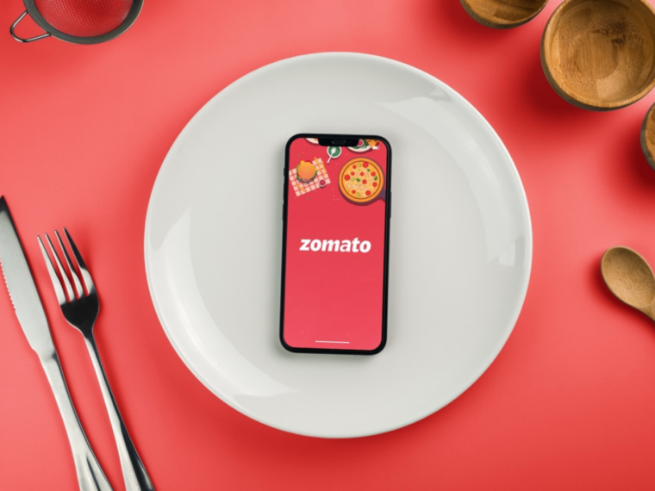

 | 1 | One-Page Company Profile

 | 2 | Income Statement

 | 3 | Balance Sheet

 | 4 | Cash Flow Statement

 | 5 | Ratio Analysis

 | 6 | WACC

 | 7 | Regression
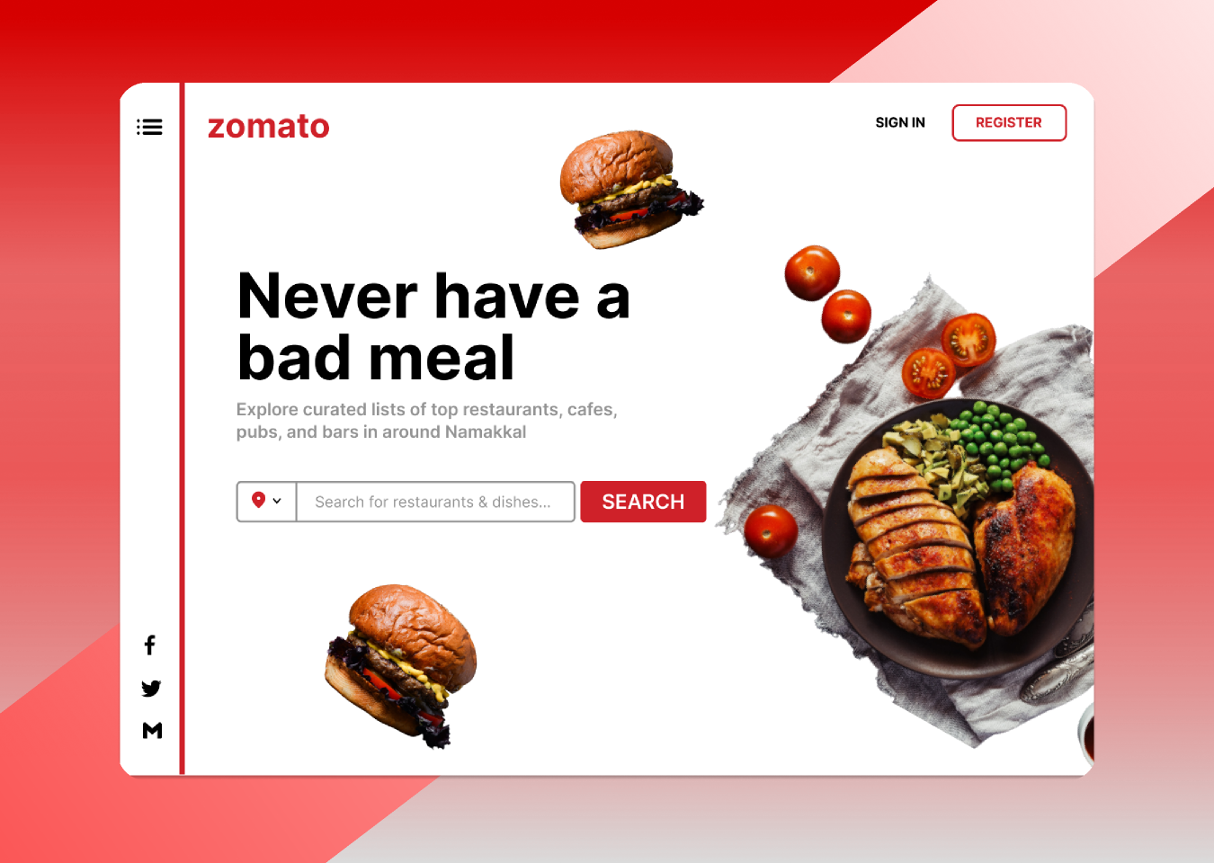

 | 8 | Market Risk Premium

 | 9 | DCF

 | 10 | Intrinsic Growth

 | 11 | Comps Valuation

 | 12 | Football Field Analysis

 | 13 | Historical Approach

 | 14 | Monte Carlo Simulation

 | 15 | DuPont Analysis

Teaser
ZOMATO LTD - One Page Profile

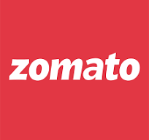 |  | Incorporated in 2010, Zomato Limited is one of the leading online Food Service platforms in terms of the value of food sold. Its offerings include food delivery, dining-out services, Loyalty programs, and others. As of December 31, 2020, Zomato has established a strong footprint across 23 countries with 131,233 active food delivery restaurants, 161,637 active delivery partners, and an average monthly food order of 10.7 million customers.

Key Financial Metrics | Mar-20 | Mar-21 | Mar-22 | Mar-23 | Mar-24 |  | Share Price- 5 Year
45695 | 233.9
45694 | 229.05
45693 | 231.12
45692 | 234.54
45691 | 238.2
45689 | 236.32
45688 | 220.35
45687 | 218.8
45686 | 222.5
45685 | 208.2
45684 | 206.2
45681 | 215.6
45680 | 221.95
45679 | 216.45
45678 | 214.55
45677 | 239.75
45674 | 248.8
45673 | 241.9
45672 | 243.9
45671 | 233.6
45670 | 227.15
45667 | 242.95
45666 | 245.35
45665 | 250.05
45664 | 252.45
45663 | 264.85
45660 | 272.85
45659 | 284.6
45658 | 276.5
45657 | 278.05
45656 | 282.1
45653 | 271.25
45652 | 273.2
45650 | 274.85
45649 | 273.95
45646 | 282.1
45645 | 288.5
45644 | 291.9
45643 | 296.8
45642 | 294.15
45639 | 288.25
45638 | 284.9
45637 | 291.8
45636 | 295.85
45635 | 295.3
45632 | 302.95
45631 | 299.35
45630 | 286.25
45629 | 279.85
45628 | 282.5
...
Total Sales | 2,605 | 1,994 | 4,192 | 7,079 | 12,114
Sales Growth (y-o-y) | 98.4% | -23.5% | 110.3% | 68.9% | 71.1%
Gross Profit Margin(%) | 14.5% | 85.4% | 81.7% | 73.3% | 71.4%
EBITDA Margin(%) | -88.5% | -23.4% | -44.1% | -17.1% | 0.4%
EBIT Margin(%) | -23.0% | -4.7% | -18.5% | -12.1% | 0.4%
Net Profit Margin(%) | -90.9% | -40.8% | -28.8% | -13.7% | 2.9%
Earnings Per Share(in Rs.) | -78,905 | -20,320 | -2 | -1 | 0
EPS (y-o-y) | 145.3% | -65.7% | 48.7% | -19.7% | -136.1%
Dividend Per Share | 0 | 0 | 0 | 0 | 0

Key Financial Ratios | Mar-20 | Mar-21 | Mar-22 | Mar-23 | Mar-24 |  | Volume- 5 Year

 | Volume
45695 | 39.271458
45694 | 41.606913
45693 | 36.437504
45692 | 64.341167
45691 | 70.249177
45689 | 85.297849
45688 | 33.200044
45687 | 44.730687
45686 | 53.638588
45685 | 54.426157
45684 | 55.203993
45681 | 43.901547
45680 | 75.649874
45679 | 178.256196
45678 | 308.217731
45677 | 102.666319
45674 | 40.007808
45673 | 69.621318
45672 | 65.921349
45671 | 85.363264
45670 | 69.081908
45667 | 53.817888
45666 | 49.569418
45665 | 57.146621
45664 | 115.216965
45663 | 52.254616
45660 | 48.244937
45659 | 27.949423
45658 | 14.417581
45657 | 31.925776
45656 | 143.568542
45653 | 18.997843
45652 | 26.03176
45650 | 37.011994
45649 | 74.588008
45646 | 271.47299
45645 | 31.350637
45644 | 28.348122
45643 | 72.724924
45642 | 31.320679
45639 | 47.302705
45638 | 38.405304
45637 | 39.053928
45636 | 31.333039
45635 | 51.131895
45632 | 49.309068
45631 | 102.148528
45630 | 45.520598
45629 | 30.078648
45628 | 35.170688
...
Price to Earnings | - | - | -53.60x | -44.93x | 457.57x
EV/EBITDA | 0.01x | 0.81x | -34.19x | -35.60x | 3735.50x | 0.0%
EV/Sales | -0.01x | -0.19x | 15.09x | 6.09x | 13.26x
Price/Book Value | 0.00x | 0.00x | 3.93x | 2.24x | 7.87x | 0%
Return on Equity (%) | -517.5% | -10.6% | -7.3% | -5.0% | 1.7%
Return on Capital Employed (%) | -136.1% | -18.0% | -9.8% | -5.3% | 1.8%

Top 10 Shareholders | N. Shares (in Cr.) |  | % Holding | Market Value |  |  | Shareholding Pattern

FIIs + | 0.4731
DIIs + | 0.2051
Government & Public | 0.2612
Others + | 0.0607
Info Edge (India) Limited | 11.9 |  | 12.4% |  | 2,794.4
Foodie Bay Employees Esop Trust | 5.9 |  | 6.1% |  | 1,369.2
Deepinder Goyal | 3.7 |  | 3.8% |  | 864.2
Antfin Singapore Holding Pte. Ltd. | 1.9 |  | 2.0% |  | 440.7
Icici Prudential Balanced Advantage Fund | 1.7 |  | 1.8% |  | 395.4
Camas Investments Pte. Ltd. | 1.7 |  | 1.7% |  | 393.1
Kotak Flexicap Fund | 1.6 |  | 1.6% |  | 368.0
Axis Mutual Fund Trustee Limited A/C Axis Mutual Fund A/C Axis Bluechip Fund | 1.5 |  | 1.6% |  | 353.3
Government Of Singapore | 1.3 |  | 1.4% |  | 308.2
Sbi Bse Sensex Etf | 1.3 |  | 1.3% |  | 302.7

Managerial Remuneration | Designation | Remuneration |  | X of Median Salary |  |  | Capital Structure

Deepinder Goyal | MD & CEO | Voluntarily waived off1 |  | - |  |  | Share Price as on 2025 | 233.9
Akshant Goyal | CFO | Voluntarily waived off2 |  | - |  |  | No. of shares o/s | 965.0
Sandhya Sethia | CS & CO | 0.80 |  | 9x |  |  | Market Capitalisation | 225,721.7
 |  |  |  |  |  |  | Less: Cash & Equivalents | (731.0)
1. Deepinder Goyal has voluntarily waived his salary for a period of 36 months starting from April 1, 2021. |  |  |  |  |  |  | Add: Debt | 749.0
2. Akshant Goyal has voluntarily waived his salary from January 1, 2022. |  |  |  |  |  |  | Add: Minority Interest | 7
 |  |  |  |  |  |  | Enterprise Value | 225,747

Recent Updates

1. Zomato rebrand itself as 'Eternal', however, the food delivery brand will continue to be called Zomato.
2. Eternal will encompass its four key businesses: the food delivery platform Zomato, the quick-commerce division Blinkit, the live events venture District, and the kitchen supplies unit Hyperpure, as stated by the company.
3. Q2 profit rose nearly five-fold to ₹176 crore, though below analyst expectations. Revenue grew 69% to ₹4,800 crore.
4. Food delivery segment expected to grow by 30% annually for the next five years.
5. The revenue from operations in Q3FY25 stood at Rs 5,405 crore, which was up by 64% over Rs 3,288 crore in the corresponding quarter of the previous financial year.

Sources: Screener, Economic Times, Mint

Football Field Analysis
Football Analysis- Valuation Summary(Rs.)

Football Field Analysis- Data
 | Open Low | Low | Open High | High

Comps | 44.29 | 44.29 | 168.81 | 59.84
DCF Bear | 1.72 | 1.72 | 2.19 | 2.19
DCF Base | 1.90 | 1.90 | 2.95 | 2.95
DCF Bull | 1.96 | 1.96 | 3.40 | 3.40
52W H/L | 132.40 | 132.40 | 304.50 | 304.50

Altman Z Score
ZOMATO LTD
(ZOMATO | BSE Code: 543320)
INR 242.95
52 Week (High- INR 304.70 & Low- INR 139.00)

About the Company
Incorporated in 2010, Zomato Limited is one of the leading online Food Service platforms in terms of the value of food sold. Its offerings include food delivery, dining-out services, Loyalty programs, and others. As of December 31, 2020, Zomato has established a strong footprint across 23 countries with 131,233 active food delivery restaurants, 161,637 active delivery partners, and an average monthly food order of 10.7 million customers.

Financial Summary

Working Capital/ Total Assets
Retained Earnings/ Total Assets
EBIT/ Total Assets

Market Cap/ Long Term Liabilities
Sales/ Total Assets
Altman Z Score

Recent Updates
Zomato's revenue from operations rose 64% to ₹5,405 crore in the third quarter of the financial year 2024-25, compared to ₹3,288 crore in the same quarter the precious year, as per the BSE filing.
Zomato net profits plunged 57% YoY to ₹59 crore in the third quarter of the financial year 2024-25, compared to ₹138 crore in the same quarter of the previous financial year in the company's consolidated statements.
Zomato's gross order value (GOV) for its B2C businesses grew by 57% year-on-year (YoY) and rose 14% quarter-on-quarter (QoQ), reaching Rs 20,206 crore in Q3FY25.
In the last two quarters, we have added 368 net new stores (152 in Q2FY25 and 216 in Q3FY25) accounting for about 37% of our total store network of 1,007 stores.

Altman Z Score Calculation

Working Capital/ Total Assets
 | Mar-18 | Mar-19 | Mar-20 | Mar-21 | Mar-22 | Mar-23 | Mar-24
Working Capital | 202.0 | 169.2 | -1,132.5 | 4,426.9 | 10,453.2 | 6,851.0 | 3,051.0
Total Assets | 1,374.5 | 3,412.9 | 2,900.4 | 8,703.5 | 17,327.0 | 21,599.0 | 23,356.0
Working Capital/ Total Assets | 14.7% | 5.0% | -39.0% | 50.9% | 60.3% | 31.7% | 13.1%

Retained Earnings/ Total Assets
 | Mar-18 | Mar-19 | Mar-20 | Mar-21 | Mar-22 | Mar-23 | Mar-24
Retained Earnings | 0.0 | 0.0 | 0.0 | 0.0 | 0.0 | 0.0 | 351.0
Total Assets | 1,374.5 | 3,412.9 | 2,900.4 | 8,703.5 | 17,327.0 | 21,599.0 | 23,356.0
Retained Earnings/ Total Assets | 0.0% | 0.0% | 0.0% | 0.0% | 0.0% | 0.0% | 1.5%

EBIT/ Total Assets
 | Mar-18 | Mar-19 | Mar-20 | Mar-21 | Mar-22 | Mar-23 | Mar-24
EBIT | -106.9 | -1,010.2 | -2,385.6 | -815.1 | -1,220.5 | -1,015.0 | 291.0
Total Assets | 1,374.5 | 3,412.9 | 2,900.4 | 8,703.5 | 17,327.0 | 21,599.0 | 23,356.0
EBIT/ Total Assets | -7.8% | -29.6% | -82.3% | -9.4% | -7.0% | -4.7% | 1.2%

Market Cap/ Long Term Liabilities
 | Mar-18 | Mar-19 | Mar-20 | Mar-21 | Mar-22 | Mar-23 | Mar-24
Market Cap | 0.0 | 0.0 | 0.0 | 0.0 | 6,290.1 | 4,265.6 | 15,806.7
Long Term Liabilities | 186.2 | 347.9 | 325.6 | 527.4 | 70.3 | 507.0 | 749.0
Market Cap/ Long Term Liabilities | 0.0% | 0.0% | 0.0% | 0.0% | 8947.6% | 841.3% | 2110.4%

Sales/ Total Assets
 | Mar-18 | Mar-19 | Mar-20 | Mar-21 | Mar-22 | Mar-23 | Mar-24
Sales | 466.0 | 1,312.6 | 2,604.7 | 1,993.8 | 4,192.4 | 7,079.0 | 12,114.0
Total Assets | 1,374.5 | 3,412.9 | 2,900.4 | 8,703.5 | 17,327.0 | 21,599.0 | 23,356.0
Sales/ Total Assets | 33.9% | 38.5% | 89.8% | 22.9% | 24.2% | 32.8% | 51.9%

Altman Z Score
 | Mar-18 | Mar-19 | Mar-20 | Mar-21 | Mar-22 | Mar-23 | Mar-24
Final Score | 0.26 | -0.53 | -2.28 | 0.53 | 54.42 | 5.60 | 13.40
Financial Stability | Distressed | Distressed | Distressed | Distressed | Strong | Strong | Strong

Disclaimer : This report is made as part of educational assignment and is meant for educational purpose only. The author of the report is not liable for any losses due to action taken on the basis of this report. It is advisable to consult SEBI registered research analyst before making any investments.

DuPont Analysis
ZOMATO LTD
(ZOMATO | BSE Code: 543320)
INR 242.95
52 Week (High- INR 304.70 & Low- INR 139.00)

About the Company
Incorporated in 2010, Zomato Limited is one of the leading online Food Service platforms in terms of the value of food sold. Its offerings include food delivery, dining-out services, Loyalty programs, and others. As of December 31, 2020, Zomato has established a strong footprint across 23 countries with 131,233 active food delivery restaurants, 161,637 active delivery partners, and an average monthly food order of 10.7 million customers.

Financial Summary

Revenue (INR Cr.)
Net Profit (INR Cr.)
Average Total Assets (INR Cr.)

Return on Equity (%)
Return on Asset (%)
Financial Leverage

Recent Updates
Zomato's revenue from operations rose 64% to ₹5,405 crore in the third quarter of the financial year 2024-25, compared to ₹3,288 crore in the same quarter the precious year, as per the BSE filing.
Zomato net profits plunged 57% YoY to ₹59 crore in the third quarter of the financial year 2024-25, compared to ₹138 crore in the same quarter of the previous financial year in the company's consolidated statements.
Zomato's gross order value (GOV) for its B2C businesses grew by 57% year-on-year (YoY) and rose 14% quarter-on-quarter (QoQ), reaching Rs 20,206 crore in Q3FY25.
In the last two quarters, we have added 368 net new stores (152 in Q2FY25 and 216 in Q3FY25) accounting for about 37% of our total store network of 1,007 stores.

Dupont Analysis - Return on Equity & Return on Asset

Return on Equity
 | Mar-18 | Mar-19 | Mar-20 | Mar-21 | Mar-22 | Mar-23 | Mar-24
Net Profit | -103.7 | -965.0 | -2,367.2 | -812.8 | -1,208.7 | -971.0 | 351.0
Average Shareholder Equity | 1,036.1 | 2,873.7 | 1,635.2 | 7,872.5 | 20,327.4 | 27,712.8 | 30,143.0
Retrn on Equity | -10.0% | -33.6% | -144.8% | -10.3% | -5.9% | -3.5% | 1.2%

ROE- Dupont Equation
 | Mar-18 | Mar-19 | Mar-20 | Mar-21 | Mar-22 | Mar-23 | Mar-24
Net Profit | -103.7 | -965.0 | -2,367.2 | -812.8 | -1,208.7 | -971.0 | 351.0
Revenue | 466.0 | 1,312.6 | 2,604.7 | 1,993.8 | 4,192.4 | 7,079.0 | 12,114.0
Net Profit Margin(A) | -22.2% | -73.5% | -90.9% | -40.8% | -28.8% | -13.7% | 2.9%

Revenue | 466.0 | 1,312.6 | 2,604.7 | 1,993.8 | 4,192.4 | 7,079.0 | 12,114.0
Average Total Assets | 1,374.5 | 4,787.4 | 6,313.3 | 11,603.9 | 26,030.5 | 38,926.0 | 44,955.0
Asset Turnover Ratio(B) | 0.34x | 0.27x | 0.41x | 0.17x | 0.16x | 0.18x | 0.27x

Average Total Asset | 1,374.5 | 4,787.4 | 6,313.3 | 11,603.9 | 26,030.5 | 38,926.0 | 44,955.0
Average Shareholder Equity | 1,036.1 | 2,873.7 | 1,635.2 | 7,872.5 | 20,327.4 | 27,712.8 | 30,143.0
Equity Multiplier | 1.33x | 1.67x | 3.86x | 1.47x | 1.28x | 1.40x | 1.49x

Return on Equity | -10.0% | -33.6% | -144.8% | -10.3% | -5.9% | -3.5% | 1.2%

Return on Asset
 | Mar-18 | Mar-19 | Mar-20 | Mar-21 | Mar-22 | Mar-23 | Mar-24
Net Profit | -103.7 | -965.0 | -2,367.2 | -812.8 | -1,208.7 | -971.0 | 351.0
Average Total Asset | 1,374.5 | 4,787.4 | 6,313.3 | 11,603.9 | 26,030.5 | 38,926.0 | 44,955.0
Retrn on Asset | -7.54% | -20.16% | -37.49% | -7.00% | -4.64% | -2.49% | 0.78%

ROA- Dupont Equation
 | Mar-18 | Mar-19 | Mar-20 | Mar-21 | Mar-22 | Mar-23 | Mar-24
Net Profit | -103.7 | -965.0 | -2,367.2 | -812.8 | -1,208.7 | -971.0 | 351.0
Revenue | 466.0 | 1,312.6 | 2,604.7 | 1,993.8 | 4,192.4 | 7,079.0 | 12,114.0
Net Profit Margin(A) | -22.2% | -73.5% | -90.9% | -40.8% | -28.8% | -13.7% | 2.9%

Revenue | 466.0 | 1,312.6 | 2,604.7 | 1,993.8 | 4,192.4 | 7,079.0 | 12,114.0
Average Total Assets | 1,374.5 | 4,787.4 | 6,313.3 | 11,603.9 | 26,030.5 | 38,926.0 | 44,955.0
Asset Turnover Ratio(B) | 0.34x | 0.27x | 0.41x | 0.17x | 0.16x | 0.18x | 0.27x

Dupont Summary
ROE declined from -27.4% in FY18 to -8.3% in FY23, with a slight recovery to 1.0% in FY24. Net profit margin remained negative from FY18 to FY23 but turned positive at 2.9% in FY24.
Asset turnover ratio was low, ranging from 0.13x to 0.24x during FY18-FY23, improving slightly to 0.27x in FY24. Equity multiplier peaked at 3.86x in FY20, then declined steadily to 1.92x in FY24.ROA remained negative until FY23, improving to 0.78% in FY24, indicating better asset efficiency.
Return on Asset (A*B) | -7.54% | -20.16% | -37.49% | -7.00% | -4.64% | -2.49% | 0.78%

Disclaimer : This report is made as part of educational assignment and is meant for educational purpose only. The author of the report is not liable for any losses due to action taken on the basis of this report. It is advisable to consult SEBI registered research analyst before making any investments.

